Sheet1
1=> |  |  |  |  | Description | Value
 |  |  |  |  | Selling Price per Unit | 50
 |  |  |  |  | Cost per Unit | 30
 |  |  |  |  | Fixed Costs | 4000
 |  |  |  |  | Target Profit | 10000
 |  |  |  |  | Number of Units to Sell | 700
 |  |  |  |  | Total Revenue | 35000
 |  |  |  |  | Total Variable Costs | 21000
 |  |  |  |  | Total Costs | 25000
 |  |  |  |  | Profit | 10000

2=>
 |  |  |  |  | Loan amount | 20,000
 |  |  |  |  | Annual interest rate: | 6%
 |  |  |  |  | Loan term: | 5
 |  |  |  |  | EMI | 386.66

3=> | You want to analyse how different interest rates affect the monthly payment of a loan. The loan amount is $15,000, and you want to see how the monthly payment changes for interest rates ranging from 4% to 8% in 0.5% increments over a 5-year term.
 |  |  |  |  | 276.25
 |  |  |  | 4% | 276.25
 |  |  |  | 4.50% | 279.65
 | 15000 |  |  | 5% | 283.07
 | 5 |  |  | 5.50% | 286.52
 | 4% |  |  | 6% | 289.99
 |  |  |  | 6.50% | 293.49
 | 276.25 |  |  | 7% | 297.02
 |  |  |  | 7.50% | 300.57
 |  |  |  | 8% | 304.15

 |  |  |  | 12500 | 25 | 50 | 75 | 100
4=> | 25 |  |  | 500 | 12500 | 25000 | 37500 | 50000
 | 500 |  |  | 600 | 15000 | 30000 | 45000 | 60000
 | 12500 |  |  | 700 | 17500 | 35000 | 52500 | 70000
 |  |  |  | 800 | 20000 | 40000 | 60000 | 80000
 |  |  |  | 900 | 22500 | 45000 | 67500 | 90000
 |  |  |  | 1000 | 25000 | 50000 | 75000 | 100000
 |  |  |  | 1100 | 27500 | 55000 | 82500 | 110000
 |  |  |  | 1200 | 30000 | 60000 | 90000 | 120000

5=> | selling unit | 50

 | fixed costs | 1,000

 | Total Profit: Use the formula =(Selling_Price_per_Unit - COGS) * Units_Sold - Fixed_Costs

 |  | 20 | 200

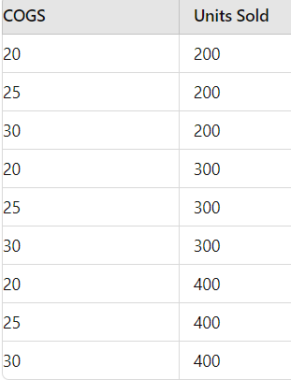
 |  |  | 5000 | 200 | 200 | 200 | 300 | 300 | 300 | 400 | 400 | 400
 |  |  | 20 | 5000 | 5000 | 5000 | 8000 | 8000 | 8000 | 11000 | 11000 | 11000
 |  |  | 25 | 4000 | 4000 | 4000 | 6500 | 6500 | 6500 | 9000 | 9000 | 9000
 |  |  | 30 | 3000 | 3000 | 3000 | 5000 | 5000 | 5000 | 7000 | 7000 | 7000
 |  |  | 20 | 5000 | 5000 | 5000 | 8000 | 8000 | 8000 | 11000 | 11000 | 11000
 |  |  | 25 | 4000 | 4000 | 4000 | 6500 | 6500 | 6500 | 9000 | 9000 | 9000
 |  |  | 30 | 3000 | 3000 | 3000 | 5000 | 5000 | 5000 | 7000 | 7000 | 7000
 |  |  | 20 | 5000 | 5000 | 5000 | 8000 | 8000 | 8000 | 11000 | 11000 | 11000
 |  |  | 25 | 4000 | 4000 | 4000 | 6500 | 6500 | 6500 | 9000 | 9000 | 9000
 |  |  | 30 | 3000 | 3000 | 3000 | 5000 | 5000 | 5000 | 7000 | 7000 | 7000

